Sheet1





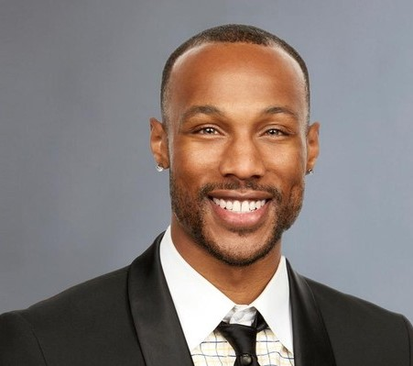



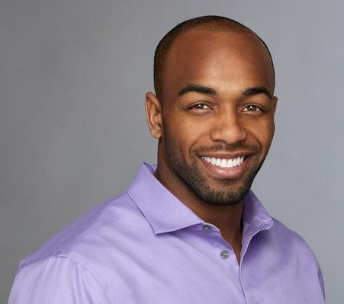




















ALEX, 31
Blake, 28
Chase, 27
Chris, 30
Christian, 28
Christon, 31
Clay, 30
Colton, 26
Connor, 25
Darius, 26
David, 25
Garrett, 29
Grant, 27
Jake, 29
Jason, 29
Jean Blanc, 31
Joe, 31
John, 28
Jordan, 26
Kamil, 30
Lincoln, 26
Mike, 27
Rickey, 27
Ryan, 26
Trent, 28
Wills, 29
Leo, 31
Nick, 27
Construction Manager
Sales Rep
Advertising VP
Sales Trainer
Banker
Former Harlem Globetrotter
Pro Football Player
Former Pro Football Player
Fitness Coach
Pharmaceutical Sales Rep
Venture Capitalist
Medical Sales Rep
Electrician
Marketing Consultant
Sr. Corporate Banker
Colognoisseur
Grocery Store Owner
Software Engineer
Male Model
Social Media Participant
Stuntman
Account Sales Executive
Sports Analyst
Attorney
IT Consultant
Banjoist
Realtor
Graphic Designer
$
$
$
$
$
$
$
$
$
$
$
$
$
$
$
$
$
$
Becca Kufin, 28
$
$
$
$
$
$
$
$
$
$

Bachelorette

